Dashboard
SuperMarket Sales Analysis
Quantity of every product line bought in each city
Total by City ,Product , Payment Method Division
 | Mandalay | Naypyitaw | Yangon
Electronic accessories | 316 | 333 | 322
Fashion accessories | 297 | 342 | 263
Food and beverages | 270 | 369 | 313
Health and beauty | 320 | 277 | 257
Home and lifestyle | 295 | 245 | 371
Sports and travel | 322 | 265 | 333
 | Total
Electronic accessories | 153
Fashion accessories | 96
Food and beverages | 156
Health and beauty | 151
Home and lifestyle | 180
Sports and travel | 149
Electronic accessories | 245
Fashion accessories | 184
Food and beverages | 139
Health and beauty | 142
Home and lifestyle | 126
Sports and travel | 175
Electronic accessories | 126
Fashion accessories | 172
Food and beverages | 186
Health and beauty | 152
Home and lifestyle | 154
Sports and travel | 212
Electronic accessories | 136
Fashion accessories | 121
Food and beverages | 149
Health and beauty | 122
Home and lifestyle | 105
Sports and travel | 87
Electronic accessories | 150
Fashion accessories | 171
Food and beverages | 164
Health and beauty | 125
Home and lifestyle | 156
Sports and travel | 132
Electronic accessories | 161
Fashion accessories | 158
Food and beverages | 158
Health and beauty | 162
Home and lifestyle | 190
Sports and travel | 165

Amount Spent on every Product line by Each Gender

 | Total
Female | 27102.0225
Male | 27235.509
Female | 30437.4
Male | 23868.495
Female | 33170.9175
Male | 22973.9265
Female | 18560.9865
Male | 30632.7525
Female | 30036.8775
Male | 23825.0355
Female | 28574.721
Male | 26548.1055

Quantity of every product line bought by every Gender
Gross Income vs Quantity by every Gender

 | Total
A | 909
B | 911
C | 1049
A | 950
B | 909
C | 782
 | Sum of gross income | Sum of Quantity
Female | 2520.395 | 911
Male | 2536.637 | 909
Female | 2937.403 | 1049
Male | 2327.7735 | 782
Female | 2536.627 | 909
Male | 2520.5335 | 950
Normal Customers
Member Customers

Quantity & Total by Different Cities on Product Types
164223
158743

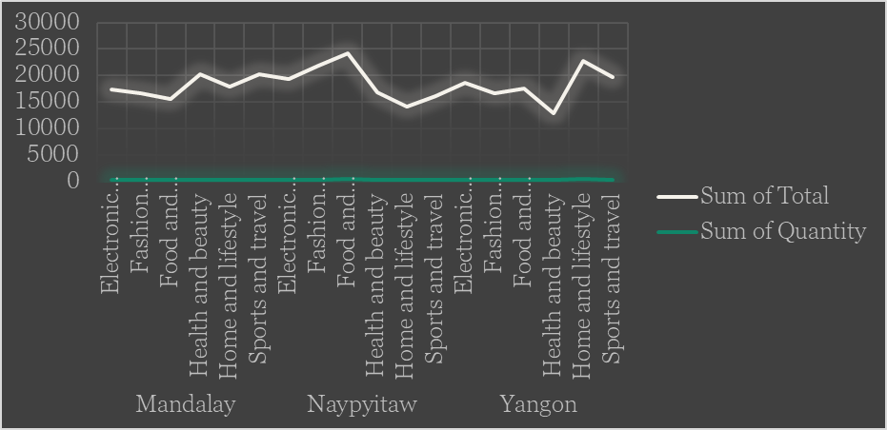
Male Customers
Female Customers

499
501

Expenditure in different cities with different payment methods
 | Cash | Credit card | Ewallet
Mandalay | 35339.4615 | 37344.8565 | 33513.354
Naypyitaw | 43085.8575 | 30327.465 | 37155.384
Yangon | 33781.251 | 33094.7505 | 39324.369

Expenditure in different branches with different product lines

 | Total
Electronic accessories | 322
Fashion accessories | 263
Food and beverages | 313
Health and beauty | 257
Home and lifestyle | 371
Sports and travel | 333
Electronic accessories | 316
Fashion accessories | 297
Food and beverages | 270
Health and beauty | 320
Home and lifestyle | 295
Sports and travel | 322
Electronic accessories | 333
Fashion accessories | 342
Food and beverages | 369
Health and beauty | 277
Home and lifestyle | 245
Sports and travel | 265

